Repurchase History
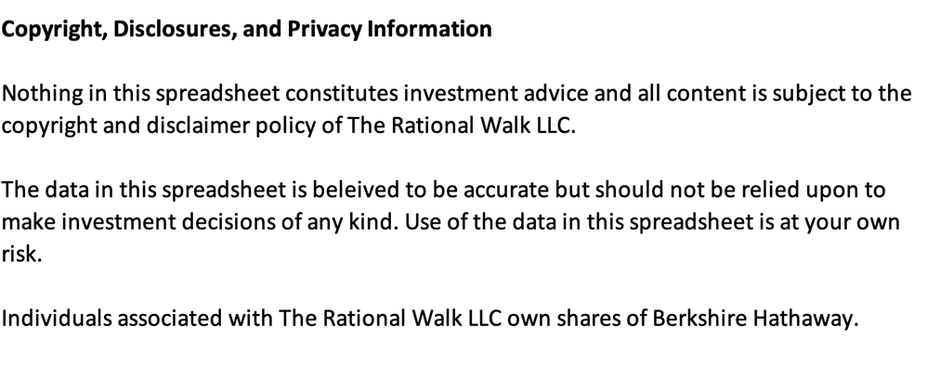
Berkshire Hathaway Repurchase History
Updated 5/2/2022
Date Range |  | Class A Shares |  | Class B Shares |  | Total Value Repurchased | BRKA Equivalents Purchaed | Price Paid Per BRKA Equivalent | "Trailing" Book Value per BRKA | Price/Book Ratio Paid
Start | End | # of Shares | Average Price | # of Shares | Average Price
2011-09-26 | 2011-09-30 | 15 | 107,461.67 | 227,669 | 71.45 | 17,878,875 | 167 | 107,201 | 98,716 | 1.09
2011-10-01 | 2011-10-31 | 83 | 106,748.19 | 574,316 | 70.90 | 49,579,104 | 466 | 106,421 | 96,876 | 1.10
2012-12-01 | 2012-12-31 | 9,475 | 131,065.62 | 606,499 | 88.76 | 1,295,679,601 | 9,879 | 131,151 | 111,718 | 1.17
2014-06-30 | 2014-06-30 | 2,107 | 189,900.00 | 1,278 | 126.56 | 400,281,044 | 2,108 | 189,900 | 142,483 | 1.33
2018-08-07 | 2018-08-24 | 225 | 312,806.74 | 4,139,192 | 207.09 | 927,566,788 | 2,984 | 310,799 | 217,677 | 1.43
2018-10-11 | 2018-10-18 | 202 | 310,762.79 | 589,955 | 205.09 | 183,767,955 | 595 | 308,696 | 228,712 | 1.35
2018-12-13 | 2018-12-24 | 790 | 295,953.99 | - | - | 233,803,652 | 790 | 295,954 | 228,712 | 1.29
2019-02-26 | 2019-02-28 | 293 | 302,622.16 | 595,412 | 201.73 | 208,780,756 | 690 | 302,607 | 212,503 | 1.42
2019-03-01 | 2019-03-29 | 965 | 304,175.15 | 5,924,418 | 200.63 | 1,482,145,003 | 4,915 | 301,579 | 212,503 | 1.42
2019-04-01 | 2019-04-10 | 226 | 305,872.16 | - | - | 69,127,108 | 226 | 305,872 | 225,553 | 1.36
2019-05-28 | 2019-05-31 | - | - | 1,032,233 | 198.90 | 205,311,144 | 688 | 298,350 | 225,553 | 1.32
2019-06-03 | 2019-06-26 | 55 | 311,292.99 | 733,907 | 205.16 | 167,689,475 | 544 | 308,099 | 225,553 | 1.37
2019-08-05 | 2019-08-28 | 64 | 300,166.13 | 2,793,092 | 197.68 | 571,349,059 | 1,926 | 296,641 | 236,463 | 1.25
2019-09-03 | 2019-09-30 | 149 | 310,231.27 | 375,771 | 206.50 | 123,821,171 | 400 | 309,929 | 236,463 | 1.31
2019-10-01 | 2019-10-09 | 688 | 306,086.60 | 1,497,623 | 204.07 | 516,207,506 | 1,686 | 306,097 | 243,675 | 1.26
2019-11-11 | 2019-11-29 | 1,326 | 328,974.91 | 3,657,884 | 218.62 | 1,235,907,331 | 3,765 | 328,298 | 243,675 | 1.35
2019-12-02 | 2019-12-31 | 674 | 333,298.06 | 953,070 | 221.67 | 435,909,919 | 1,309 | 332,913 | 243,675 | 1.37
2020-01-03 | 2020-01-15 | 177 | 339,082.41 | 582,074 | 226.11 | 191,630,339 | 565 | 339,139 | 261,417 | 1.30
2020-02-24 | 2020-02-28 | 164 | 325,411.91 | 4,486,775 | 214.00 | 1,013,537,403 | 3,155 | 321,229 | 261,417 | 1.23
2020-03-02 | 2020-03-10 | 1,001 | 301,085.61 | 319,814 | 214.18 | 369,884,458 | 1,214 | 304,630 | 261,417 | 1.17
2020-05-01 | 2020-05-31 | 540 | 262,967.67 | 18,828,006 | 174.58 | 3,428,995,829 | 13,092 | 261,915 | 229,358 | 1.14
2020-06-01 | 2020-06-30 | 1,282 | 268,815.58 | 7,514,590 | 178.59 | 1,686,652,202 | 6,292 | 268,075 | 229,358 | 1.17
2020-07-01 | 2020-07-31 | 1,965 | 280,778.84 | 10,521,719 | 187.93 | 2,529,077,072 | 8,979 | 281,651 | 245,836 | 1.15
2020-08-01 | 2020-08-31 | 2,531 | 316,766.16 | 10,846,595 | 209.96 | 3,079,086,237 | 9,762 | 315,413 | 245,836 | 1.28
2020-09-01 | 2020-09-30 | 3,670 | 325,251.28 | 11,387,889 | 215.80 | 3,651,178,644 | 11,262 | 324,206 | 245,836 | 1.32
2020-10-01 | 2020-10-31 | 1,894 | 316,292.44 | 11,097,536 | 209.92 | 2,928,652,638 | 9,292 | 315,168 | 264,316 | 1.19
2020-11-01 | 2020-11-30 | 2,244 | 341,117.06 | 7,423,729 | 219.12 | 2,392,154,181 | 7,193 | 332,560 | 264,316 | 1.26
2020-12-01 | 2020-12-31 | 1,787 | 342,577.29 | 12,605,335 | 225.73 | 3,457,587,887 | 10,191 | 339,293 | 264,316 | 1.28
2021-01-01 | 2021-01-31 | 1,534 | 348,488.65 | 10,661,127 | 231.68 | 3,004,551,492 | 8,641 | 347,692 | 287,031 | 1.21
2021-02-01 | 2021-02-28 | 1,959 | 362,748.29 | 5,341,489 | 237.06 | 1,976,877,282 | 5,520 | 358,130 | 287,031 | 1.25
2021-03-01 | 2021-03-31 | 1,113 | 396,162.91 | 4,545,124 | 251.40 | 1,583,573,492 | 4,143 | 382,221 | 287,031 | 1.33
2021-04-01 | 2021-04-30 | 611 | 408,470.13 | 5,795,788 | 267.75 | 1,801,397,486 | 4,475 | 402,560 | 293,636 | 1.37
2021-05-01 | 2021-05-31 | 689 | 432,536.24 | 1,872,026 | 286.10 | 833,604,108 | 1,937 | 430,354 | 293,636 | 1.47
2021-06-01 | 2021-06-30 | 2,250 | 432,132.04 | 8,646,680 | 279.97 | 3,393,108,090 | 8,014 | 423,374 | 293,636 | 1.44
2021-07-01 | 2021-07-31 | 938 | 420,100.50 | 6,387,847 | 278.13 | 2,170,706,155 | 5,197 | 417,719 | 311,276 | 1.34
2021-08-01 | 2021-08-31 | 868 | 430,704.66 | 6,535,695 | 285.41 | 2,239,204,355 | 5,225 | 428,545 | 311,276 | 1.38
2021-09-01 | 2021-09-30 | 1,323 | 419,236.93 | 9,580,995 | 277.74 | 3,215,676,010 | 7,710 | 417,061 | 311,276 | 1.34
2021-10-01 | 2021-10-31 | 680 | 431,525.72 | 5,862,551 | 282.86 | 1,951,718,665 | 4,588 | 425,362 | 316,443 | 1.34
2021-11-01 | 2021-11-30 | 403 | 430,172.46 | 7,013,482 | 284.39 | 2,167,923,647 | 5,079 | 426,870 | 316,443 | 1.35
2021-12-01 | 2021-12-31 | 1,828 | 439,625.92 | 6,259,164 | 287.62 | 2,603,896,931 | 6,001 | 433,927 | 316,443 | 1.37
2022-01-01 | 2022-01-31 | 625 | 455,959.81 | 73,987 | 299.82 | 307,157,664 | 674 | 455,504 | 342,622 | 1.33
2022-02-01 | 2022-02-28 | 1,048 | 474,398.80 | 3,168,329 | 312.14 | 1,486,132,156 | 3,160 | 470,262 | 342,622 | 1.37
2022-03-01 | 2022-03-31 | 332 | 485,015.95 | 3,582,355 | 322.88 | 1,317,696,078 | 2,720 | 484,405 | 342,622 | 1.41
 |  | 50,793 |  | 204,643,020 |  | 62,906,465,993 | 187,222

 |  |  |  |  |  | Avg Cost per A | 336,000

